Sheet1
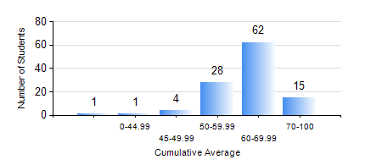
 |  |  | KWAME NKRUMAH UNIVERSITY OF SCIENCE AND TECHNOLOGY, KUMASI Department of Geological Engineering

 |  |  | BSC. GEOLOGICAL ENG.

 |  |  | COMPREHENSIVE RECORD OF EXAMINATION RESULTS

 |  |  | RESULTS OF YEAR 4 FIRST SEMESTER, 2020/2021 ACADEMIC YEAR

 | Sn | Course Code |  | Course Name | Credit Hours | Min. Mark | Max. Mark | Avg. Mark | Std. Dev. | No. Passed | No. Trailed | No. (Df) | No. (I) | No. (I*) | No. Tagged(I,I*,Df) | Total
 | 1. | CE 477 |  | GEOTECHNICAL ENGINEERING I | 3 | 25 | 82 | 53 | 10.98 | 102 | 9 | 0 | 0 | 0 | 0 | 111
 | 2. | GED 451 |  | REGIONAL GEOLOGY | 3 | 0 | 81 | 61 | 12.72 | 107 | 4 | 0 | 0 | 0 | 0 | 111
 | 3. | GED 457 |  | PROJECT 1 | 3 | 58 | 80 | 70 | 5.2 | 110 | 1 | 0 | 0 | 0 | 0 | 111
 | 4. | GED 459 |  | EXPLORATION GEOCHEMISTRY | 2 | 20 | 86 | 62 | 11.72 | 107 | 4 | 0 | 0 | 0 | 0 | 111
 | 5. | GED 461 |  | EXPLORATION GEOPHYSICS | 2 | 15 | 95 | 55 | 17.48 | 92 | 19 | 0 | 0 | 0 | 0 | 111
 | 6. | GED 465 |  | ENGINEERING GEOLOGICAL INVESTIGATIONS | 2 | 43 | 86 | 68 | 10.64 | 110 | 1 | 0 | 0 | 0 | 0 | 111
 | 7. | GED 471 |  | INDUSTRIAL TRAINING | 0 | 51 | 80 | 67 | 6.97 | 110 | 1 | 0 | 0 | 0 | 0 | 111
 | 8. | GED 475 |  | PRINCIPLES OF HYDROGEOLOGY | 3 | 11 | 88 | 55 | 18.19 | 94 | 17 | 0 | 0 | 0 | 0 | 111

